Application Screen
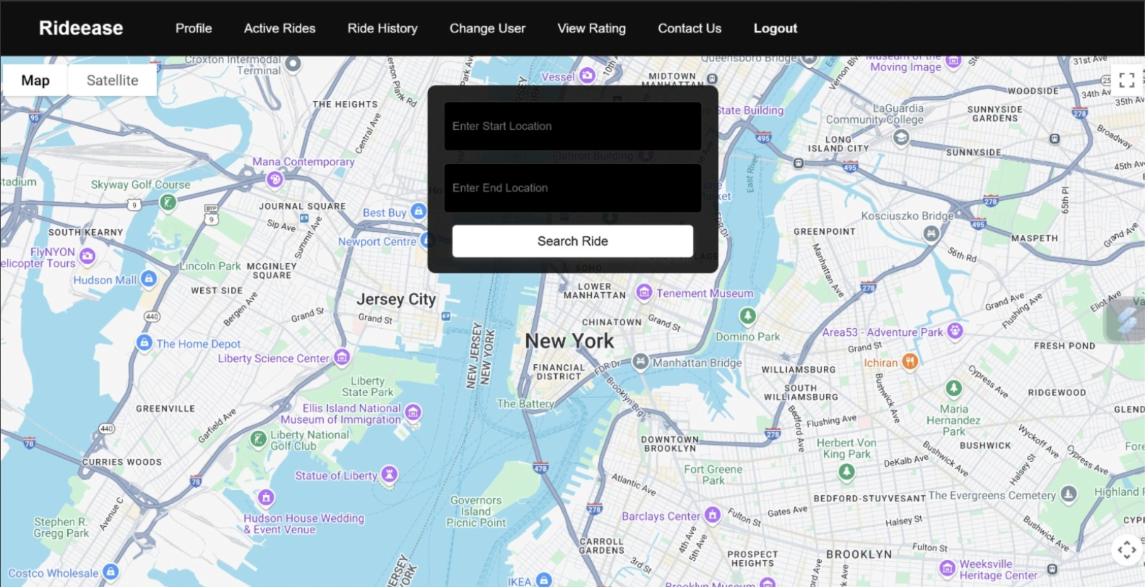

Test Case 3
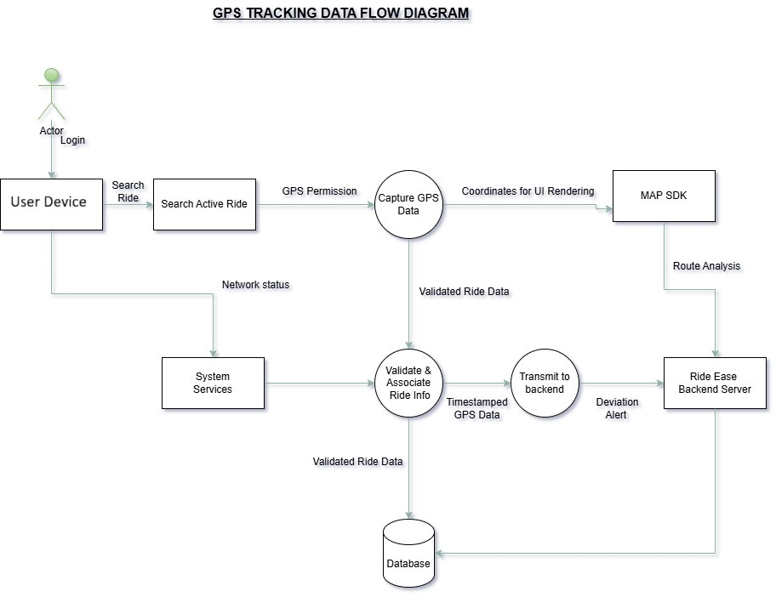
TC Title: | TC.3. GPS Tracking- Data flow out testing

TC Objective: | Ensure that the application correctly sends real-time GPS location data from the user's device to the server, ensuring accurate ride tracking.

Test Data (optional): | User credentials Active Ride ID Device with GPS enabled Server endpoint URL

TC Description
 | Step | Step Description | Expected Results
 | 1 | Launch the RideEase app on a GPS-enabled device. | RideEase app opens successfully.
 | 2 | Log in with valid user credentials. | User is logged in and directed to the dashboard.
 | 3 | Start an active ride | Ride is successfully initiated and shown as active.
 | 4 | Enable GPS/location permissions if not already enabled. | GPS permission is granted and GPS icon is visible.
 | 5 | Begin moving | Location updates are captured on the app interface
 | 6 | Monitor app behavior: verify if GPS data packets are being sent to the server. | Device sends regular location updates to server
 | 7 | Check server or database logs for received GPS data associated with active Ride ID. | Server receives updated GPS coordinates mapped to correct Ride ID.
 | 8 | Disconnect device from internet and observe behavior. | App temporarily stores GPS points and retries sending once reconnected.
 | 9 | Reconnect to internet and observe if pending GPS data is pushed to server. | All pending location points are sent once connection is restored.
 | 10 | End the active ride and check that no further GPS data is sent. | No more location updates are sent after ride ends.

